Cover
Near-Roadway Indoor Air Pollution: Assessing the Health Effects and Mitigation Strategies
Appendix D2. Mitigation Study Screening and Selection Details
This spreadsheet outlines the process used to select articles for inclusion in the evidence review for each type of control strategy: 1) source control; 2) outdoor control; 3) indoor pollution exposure control. Below is a description of the types of papers that were reviewed for inclusion and the evaluation steps.
Defintion of paper types | Down-select decision tree for on-road source control | Down-select decision tree for ambient and exposure control
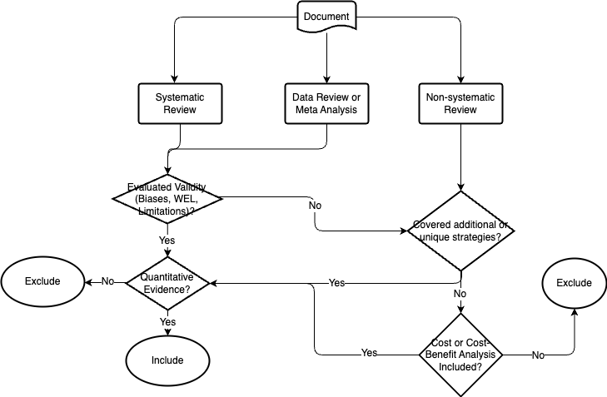
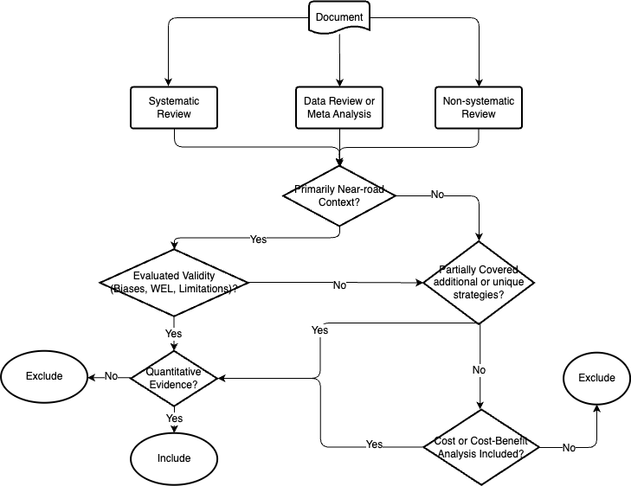
Systematic Reviews: As the name implies, typically involves a detailed and comprehensive plan and search strategy derived a priori, with the goal of reducing bias by identifying, appraising, and synthesizing all relevant studies on a particular topic.
Data Review or Meta Analysis: Review articles (some in engineering field) that collect published quantitative results of a topic and/or conducted meta analysis and synthesize. This type of review is typically quantitative but does not necessarily have a clear search strategy or keywords defined. Example: Karner et al. 2010.
Non-Systematic Review: Review articles that do not report a detailed and comprehensive plan and search strategy derived a prioriare, and do not meet the systematic review criteria. The quality of these review articles vary, for example, some are mostly narrative, some contain quality evaluation and summary of the evidences. These articles need further evaluation before they can be included.

Evaluation steps
(1) Check the topics covered by each paper (topics covered are marked with an "X")
(2) Follow the decision tree to evaluate down-select critieria for each paper (yes, no, or skip)
(3) Conclude yes or no for inclusion of each paper

Definitions of yes, no, and skip
Yes: paper satisfies specified criteria
No: paper does not satisfy specified criteria
Skip: specified criteria is not applicable for the paper (e.g., a systematic review which has evaluated validity will skip the step of evaluating whether to cover additional or unique strategies)

