0. Start Here
GROOVE tool: Graphical Representation of Overlap for OVErviews
DOI: | 10.17605/OSF.IO/U2MS4
What is GROOVE? GROOVE (Graphical Representation of Overlap for OVErviews) is a tool that provides a visual display of the overlap of primary studies among systematic reviews. Starting with a simple matrix of evidence, this tool will automatically inform: - The corrected covered area (CCA) for the whole matrix. - The number of unique primary studies. - The number of overlapped primary studies (and in how many reviews they are included). - A detailed assessment of the corrected covered area between every possible pair of reviews (nodes), and a graphical representation of this assessment. - The number of nodes with low, moderate, high and very high overlap. - Optionally, an assessment of the corrected covered area corrected by structural missingness in the matrix. This tool is based on a previously published approach. If you are not familiar with the quantitative assessment of overlap using the corrected covered area formula, we suggest you to read the original publication:
Pieper D, Antoine S-L, Mathes T, Neugebauer EAM, Eikermann M. Systematic review finds overlapping reviews were not mentioned in every other overview. Journal of Clinical Epidemiology. 2014;67(4):368–75.
How to use this tool: You only have to enter data on the "1. Matrix" sheet. The matrix supports up to 70 systematic reviews and 1000 unique primary studies. You will get all the results on the "GROOVE" sheets (colour or greyscale version). 1. Go to the "1. Matrix" sheet. 2. Write all the systematic reviews ID in the columns, starting in the C5 cell. 3. Write all the primary studies ID in the rows, starting in the A6 cell. 4. Optionally, you can write the topic of your overview in the B2 cell, and the references of each primary study in the B column, starting with B6. 5. Mark with a "1" the intersections representing primary studies included in their respective systematic reviews. It is expected for a single primary study to be included in multiple systematic reviews. 6. Go to the "2.1 GROOVE - colour version" or "2.2 GROOVE - grayscale version" tab. You will find the CCA for the whole matrix, the CCA for each pair (or nodes) of systematic reviews, the number of nodes with low, moderate, high and very high overlap, and the number of unique primary studies and overlapped primary studies.
Advanced usage: Incorporating structural missingness While you are building the matrix of evidence, you will notice that it should be impossible to mark a "1" in some cells. A cell that can not acquire other value than 0 is called "structural missingness" or "structural zero". For example, a primary study published in 2015 can not be included in a systematic review published in 2013; this would be a "chronological structural missingness". The GROOVE tool provides the option to incorporate structural missingness into the results. In order to do this, you will have to: 1. Follow all the steps mentioned in the previous section. 2. When you finish populating the matrix of evidence with "1"s, you can mark the cells with structural missingness with an "X". You will notice that the cell will turn black. 3. Once you finish, go to the "2.1 GROOVE - colour version" or "2.2 GROOVE - grayscale version" tab. You will notice that the D9 cell will provide the CCA formula corrected by structural missingness. 4. The Graphical Representation of Overlap for OVErviews incorporating structural missingness will be displayed in the "2.1 GROOVE - colour version" and "2.2 GROOVE - grayscale version" tabs, starting in the cell CA1. If you do not mark any structural missingness in the matrix, this figure will be the same as the one displayed in F1.
Example: How to enter data into the matrix
1. Write all the systematic reviews ID here.
2. Write all the primary studies ID here (references are optional).
3. Mark with a "1" each intersection representing a primary study included in a systematic review.
4. If you want to consider structural missingness in the calculation of CCA, you may mark with an "X" those cells representing structural missingness. This is an optional feature.
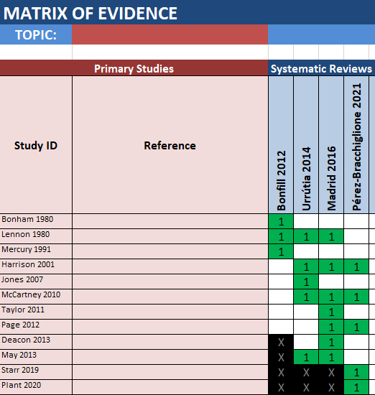
5. Go to the "2.1 GROOVE - colour version" or "2.2 GROOVE - grayscale version" sheet. Your results will be ready.
5. Go to the "2.1 GROOVE - colour version" or "2.2 GROOVE - grayscale version" sheet. Your results will be ready.
Contact: javier.perez.b@gmail.com

